Sheet1

Find the Region and Year where and when the growth was the highest.
Growth formula =
(Sales in one year - Sales in previous year)/Sales in previous year
Growth is within the region. Hence growth will be 0 for first year in a region.
Region | Year | Sales | Answer Expected
N | 2011 | 76000 | Region | Year
E | 2011 | 89000 | S | 2012
W | 2011 | 25000
S | 2011 | 41000
C | 2012 | 30000
N | 2012 | 80000
E | 2012 | 76000
W | 2012 | 27000
S | 2012 | 68000
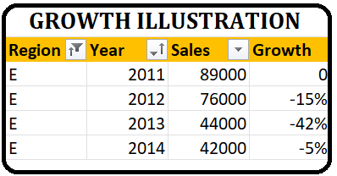
C | 2013 | 44000
N | 2013 | 13000
E | 2013 | 44000
W | 2013 | 30000
S | 2013 | 70000
E | 2014 | 42000
W | 2014 | 38000

